FlowChart
Main Flow Chart:
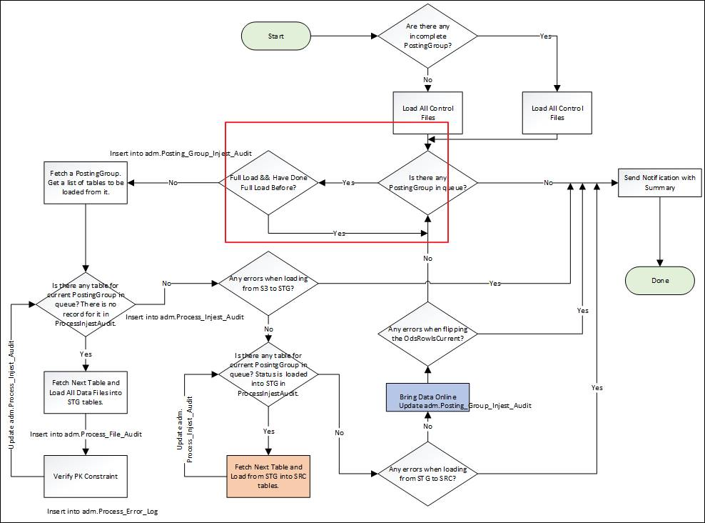

SP Flowchart
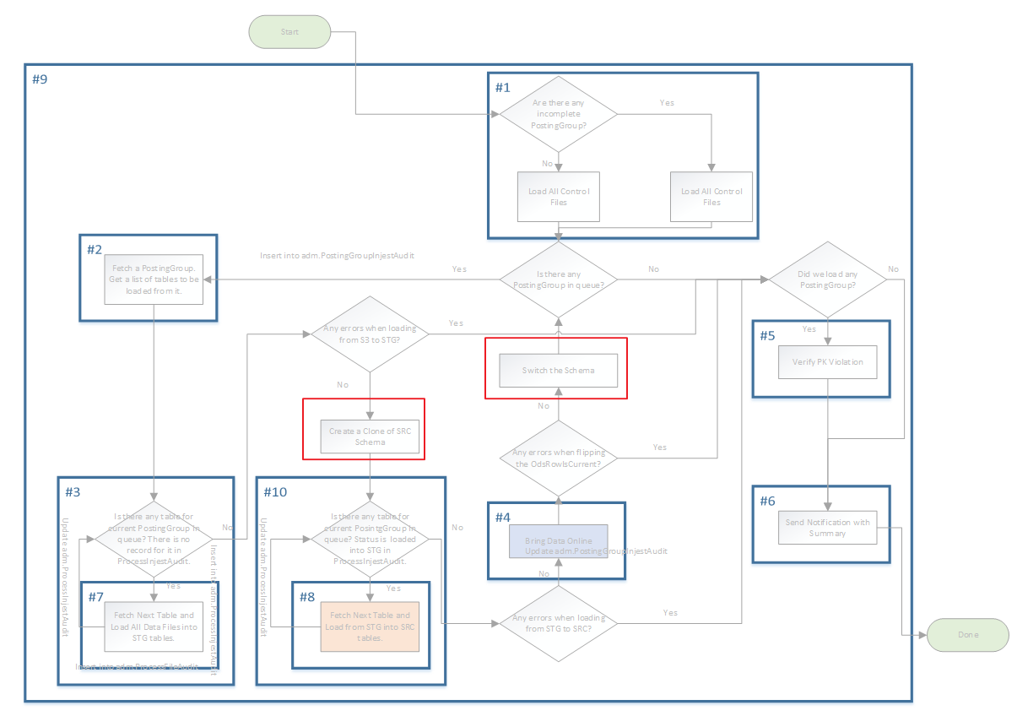

Fetch Next Table

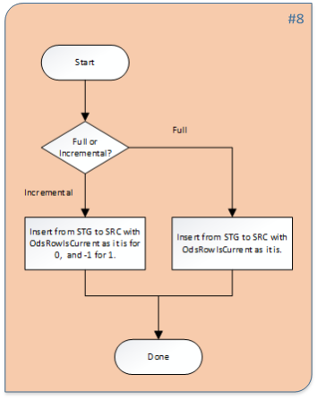

Bring Data Online:

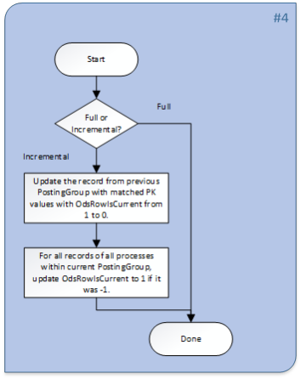

New Stratey FlowChart

1. New strategy to backout/rollback PGA and keep the history.
Pros:
1.1 Hybrid method, use TIMETRAVEL to join to update and delete.
1.2 It can be implemented in multi-thread way.
1.3 keep the history
Cons: extra updates and deletes are the overhead.

2. New strategy to bring data online for incremental load only and keep the history.
Pros:
2.1 We SWAP Schema, as an alternative to TRANSACTION, to implement the ATOMIC concept.
2.2 It can be implemented in multi-thread way.
2.3 keep the history
Cons: clone takes more time.

Fig. 1 – New Approach for “Bring Data Online”

Fig. 2 – New Approach for “Back out Posting Group”

